TASKS
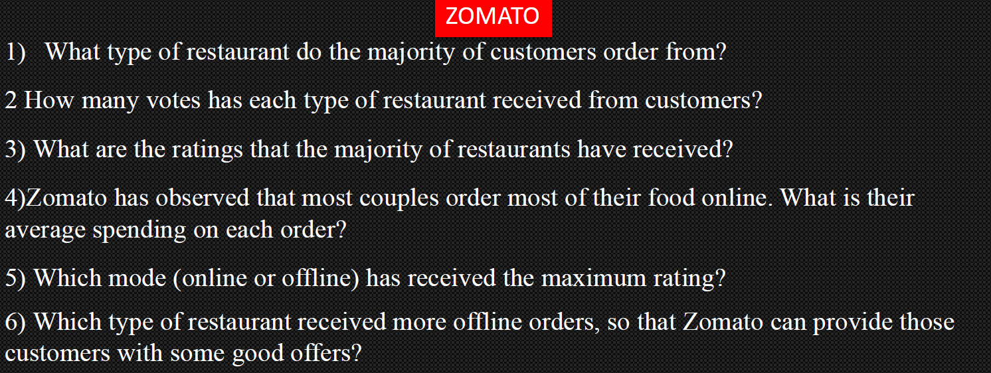

1)ORDERS VS RESTAURANTS
ORDERS VS RESTAURANTS

NO OF RESTAURANTS | Count of online_order
Buffet | 7
Cafes | 23
Dining | 110
other | 8
Grand Total | 148

 |  | It is clearly seen that most of the customers prefer the Dining restaurant

2)RESTAURANTS VS NO OF VOTES
RESTAURANTS VS NO OF VOTES
TYPE OF RESTAURANTS | Sum of votes
Buffet | 3028
Cafes | 6434
Dining | 20363
other | 9367
Grand Total | 39192

 |  | The Dining restaurant has most number of votes amongst all restaurants

3)DISTRIBUTION OF RATINGS
DISTRIBUTION OF RATINGS
RATINGS | Sum of rate
2.6 | 2.6
2.8 | 5.6
2.9 | 20.3
3 | 6
3.1 | 21.7
3.2 | 22.4
3.3 | 46.2
3.4 | 40.8
3.5 | 21
3.6 | 39.6
3.7 | 55.5
3.8 | 76
3.9 | 39
4 | 40
4.1 | 45.1
4.2 | 33.6
4.3 | 4.3
4.4 | 8.8
4.6 | 9.2 | MOST OF THE RATINGS RECEIVED BY THE RESTAURANTS ARE 3.7 AND 3.8
Grand Total | 537.7

4)COST FOR COUPLES
APPROX COST FOR COUPLES
APPROX COST | Count of approx_cost(for two people)
100 | 6
150 | 16
200 | 16
250 | 6
300 | 23
350 | 3
400 | 15
450 | 6
500 | 14
550 | 3
600 | 13
650 | 2
700 | 5
750 | 3
800 | 12
850 | 2
900 | 2
950 | 1
Grand Total | 148
 |  | APPROX COST FOR MOST COUPLES IS 300

5)RATINGS VS MODE OF ORDER
HIGHEST RATING FOR MODE OF ORDER
 | OFFLINE(NO) | ONLINE(YES)
2.6 | 1
2.8 |  | 2
2.9 | 7
3 | 1 | 1
3.1 | 5 | 2
3.2 | 6 | 1
3.3 | 14
3.4 | 12
3.5 | 6
3.6 | 5 | 6
3.7 | 12 | 3
3.8 | 9 | 11
3.9 | 2 | 8
4 | 4 | 6
4.1 | 4 | 7
4.2 | 1 | 7
4.3 | 1
4.4 |  | 2
4.6 |  | 2
Count of rate | MODE OF ORDER
RATINGS | OFFLINE(NO) | ONLINE(YES) | Grand Total
2.6 | 1 |  | 1
2.8 |  | 2 | 2
2.9 | 7 |  | 7
3 | 1 | 1 | 2
3.1 | 5 | 2 | 7
3.2 | 6 | 1 | 7
3.3 | 14 |  | 14
3.4 | 12 |  | 12
3.5 | 6 |  | 6
3.6 | 5 | 6 | 11
3.7 | 12 | 3 | 15
3.8 | 9 | 11 | 20
3.9 | 2 | 8 | 10
4 | 4 | 6 | 10
4.1 | 4 | 7 | 11
4.2 | 1 | 7 | 8 | CLEARLY SEEN THAT THE ONLINE ORDER HAS THE HIGHEST RATINGS AS COMPARED TO OFFLINE
4.3 | 1 |  | 1
4.4 |  | 2 | 2 |  | HERE ONLINE DENOTES "YES" AND OFFLINE DENOTES "NO"
4.6 |  | 2 | 2
Grand Total | 90 | 58 | 148

6)OFFLINE ORDER VS RESTAURANTS
OFFLINE MODE VS RESTAURANTS
Count of online_order | MODE OF ORDER
RESTAURANTS | OFFLINE(NO) | Grand Total
Buffet | 3 | 3
Cafes | 8 | 8
Dining | 77 | 77
other | 2 | 2
Grand Total | 90 | 90

 |  |  | DINING RESTAURANT HAS RECEIVED THE MORE NO OF OFFLINE ORDERS

